SUMMARY_BC_CAN
SUMMARY - BRITISH COLUMBIA AND CANADA LABOUR FORCE CHARACTERISTICS - August 2026
 |  | SEASONALLY ADJUSTED |  |  |  |  | UNADJUSTED FOR SEASONALITY
 |  |  |  |  | Change From | Change From |  |  |  | Change From | Change From
 |  | Current Month | Previous Month | One Year Ago | Previous Month | One Year Ago | Current Month | Previous Month | One Year Ago | Previous Month | One Year Ago
British Columbia
 | Population (000s) | 4,840.9 | 4,839.5 | 4,846.2 | 0.0% | -0.1% | 4,840.9 | 4,839.5 | 4,846.2 | 0.0% | -0.1%
 | Labour Force (000s) | 3,153.3 | 3,151.2 | 3,133.5 | 0.1% | 0.6% | 3,180.0 | 3,177.9 | 3,165.6 | 0.1% | 0.5%
 | Employment (000s) | 2,949.2 | 2,954.7 | 2,935.4 | -0.2% | 0.5% | 2,948.8 | 2,971.8 | 2,937.2 | -0.8% | 0.4%
 | Unemployment (000s) | 204.0 | 196.6 | 198.1 | 3.8% | 3.0% | 231.1 | 206.0 | 228.4 | 12.2% | 1.2%

 | Unemployment Rate (%) | 6.5 | 6.2 | 6.3 | 0.3 | 0.2 | 7.3 | 6.5 | 7.2 | 0.8 | 0.1
 | Participation Rate (%) | 65.1 | 65.1 | 64.7 | 0.0 | 0.4 | 65.7 | 65.7 | 65.3 | 0.0 | 0.4
 | Employment Rate (%) | 60.9 | 61.1 | 60.6 | -0.2 | 0.3 | 60.9 | 61.4 | 60.6 | -0.5 | 0.3

Canada
 | Population (000s) | 34,831.2 | 34,812.1 | 34,644.2 | 0.1% | 0.5% | 34,831.2 | 34,812.1 | 34,644.2 | 0.1% | 0.5%
 | Labour Force (000s) | 22,632.6 | 22,669.4 | 22,546.6 | -0.2% | 0.4% | 22,977.0 | 22,945.1 | 22,915.7 | 0.1% | 0.3%
 | Employment (000s) | 21,173.1 | 21,214.8 | 20,956.6 | -0.2% | 1.0% | 21,299.2 | 21,412.3 | 21,086.3 | -0.5% | 1.0%
 | Unemployment (000s) | 1,459.5 | 1,454.7 | 1,590.1 | 0.3% | -8.2% | 1,677.8 | 1,532.9 | 1,829.4 | 9.5% | -8.3%

 | Unemployment Rate (%) | 6.4 | 6.4 | 7.1 | 0.0 | -0.7 | 7.3 | 6.7 | 8.0 | 0.6 | -0.7
 | Participation Rate (%) | 65.0 | 65.1 | 65.1 | -0.1 | -0.1 | 66.0 | 65.9 | 66.1 | 0.1 | -0.1
 | Employment Rate (%) | 60.8 | 60.9 | 60.5 | -0.1 | 0.3 | 61.1 | 61.5 | 60.9 | -0.4 | 0.2
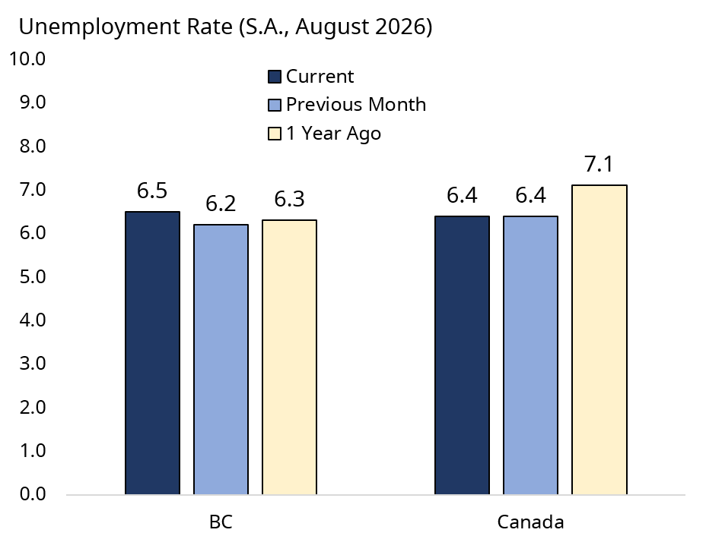
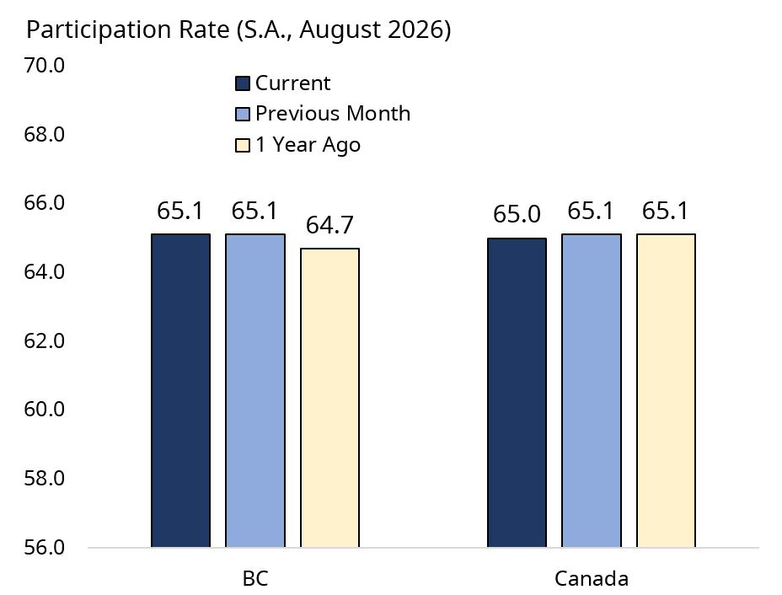
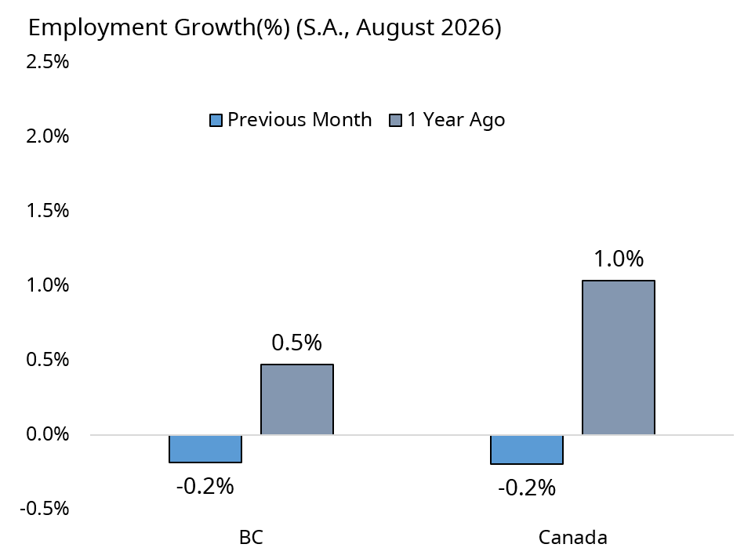

Prepared by: BC Stats
 |  |  |  |  |  |  |  |  |  |  | Adapted from Statistics Canada, September 2026. This does not constitute an endorsement by Statistics Canada of this product.

BC_LFS_DATA
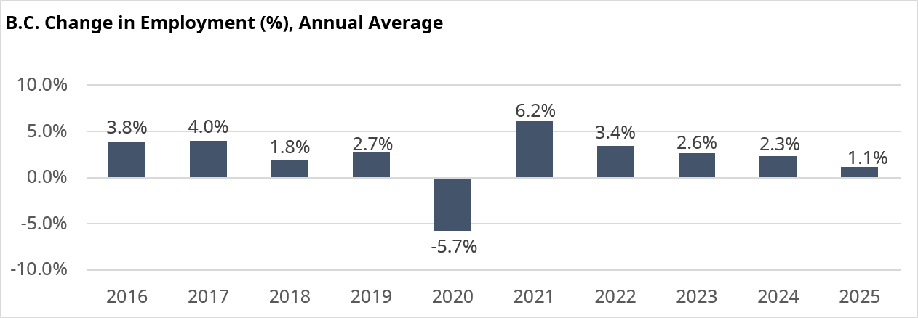
BRITISH COLUMBIA - LABOUR FORCE CHARACTERISTICS - ANNUAL, UNADJUSTED, AND SEASONALLY ADJUSTED - August 2026
 |  | LABOUR FORCE |  | EMPLOYED |  | UNEMPLOYED |  | UNEMPLOY.RATE | PART. RATE
 |  | ('000) | % CHG | ('000) | % CHG | ('000) | % CHG | % | %
 | 2016 | 2,624.5 | 3.7% | 2,464.7 | 3.8% | 159.8 | 2.3% | 6.1 | 65.2
 | 2017 | 2,706.3 | 3.1% | 2,562.9 | 4.0% | 143.4 | -10.3% | 5.3 | 66.1
 | 2018 | 2,737.2 | 1.1% | 2,609.9 | 1.8% | 127.2 | -11.3% | 4.6 | 65.7
 | 2019 | 2,816.7 | 2.9% | 2,681.1 | 2.7% | 135.6 | 6.6% | 4.8 | 66.5
 | 2020 | 2,781.1 | -1.3% | 2,527.3 | -5.7% | 253.8 | 87.2% | 9.1 | 64.5
 | 2021 | 2,872.4 | 3.3% | 2,683.9 | 6.2% | 188.5 | -25.7% | 6.6 | 65.9
 | 2022 | 2,911.0 | 1.3% | 2,775.7 | 3.4% | 135.3 | -28.2% | 4.6 | 65.5
 | 2023 | 3,003.9 | 3.2% | 2,847.9 | 2.6% | 155.9 | 15.2% | 5.2 | 65.8
 | 2024 | 3,085.9 | 2.7% | 2,914.0 | 2.3% | 171.8 | 10.2% | 5.6 | 65.2
 | 2025 | 3,140.8 | 1.8% | 2,946.2 | 1.1% | 194.6 | 13.3% | 6.2 | 65.0
 |  | UNADJUSTED FOR SEASONALITY |  |  |  |  |  |  |  | SEASONALLY ADJUSTED
 |  | LABOUR FORCE |  | EMPLOYED |  | UNEMPLOYED |  | UNEMPLOY.RATE | PART. RATE | LABOUR FORCE |  | EMPLOYED |  | UNEMPLOYED |  | UNEMPLOY.RATE | PART. RATE
 |  | ('000) | % CHG | ('000) | % CHG | ('000) | % CHG | % | % | ('000) | % CHG | ('000) | % CHG | ('000) | % CHG | % | %
2025 | Jan | 3,102.2 | 2.2% | 2,904.1 | 1.5% | 198.1 | 13.7% | 6.4 | 64.5 | 3,133.9 | 0.7% | 2,946.9 | 0.7% | 187.1 | 0.8% | 6.0 | 65.2
2025 | Feb | 3,103.1 | 1.9% | 2,918.7 | 1.1% | 184.5 | 16.4% | 5.9 | 64.5 | 3,127.3 | -0.2% | 2,940.4 | -0.2% | 186.9 | -0.1% | 6.0 | 65.0
2025 | Mar | 3,131.5 | 1.6% | 2,937.5 | 1.1% | 193.9 | 11.0% | 6.2 | 65.0 | 3,135.1 | 0.2% | 2,944.9 | 0.2% | 190.2 | 1.8% | 6.1 | 65.0
2025 | Apr | 3,142.7 | 1.9% | 2,951.3 | 0.8% | 191.4 | 23.2% | 6.1 | 65.1 | 3,143.3 | 0.3% | 2,948.6 | 0.1% | 194.8 | 2.4% | 6.2 | 65.1
2025 | May | 3,191.4 | 2.3% | 2,978.9 | 1.2% | 212.5 | 20.0% | 6.7 | 66.0 | 3,163.4 | 0.6% | 2,958.7 | 0.3% | 204.7 | 5.1% | 6.5 | 65.5
2025 | Jun | 3,178.9 | 2.1% | 3,002.8 | 1.7% | 176.1 | 8.8% | 5.5 | 65.7 | 3,140.7 | -0.7% | 2,960.6 | 0.1% | 180.1 | -12.0% | 5.7 | 64.9
2025 | Jul | 3,164.3 | 1.5% | 2,965.5 | 1.2% | 198.8 | 6.6% | 6.3 | 65.3 | 3,139.5 | 0.0% | 2,952.4 | -0.3% | 187.2 | 3.9% | 6.0 | 64.8
2025 | Aug | 3,165.6 | 1.4% | 2,937.2 | 0.6% | 228.4 | 12.0% | 7.2 | 65.3 | 3,133.5 | -0.2% | 2,935.4 | -0.6% | 198.1 | 5.8% | 6.3 | 64.7
2025 | Sep | 3,134.1 | 1.9% | 2,944.4 | 1.4% | 189.7 | 10.7% | 6.1 | 64.6 | 3,144.4 | 0.3% | 2,943.5 | 0.3% | 200.9 | 1.4% | 6.4 | 64.9
2025 | Oct | 3,140.4 | 1.9% | 2,944.3 | 0.9% | 196.1 | 17.7% | 6.2 | 64.8 | 3,149.5 | 0.2% | 2,940.5 | -0.1% | 208.9 | 4.0% | 6.6 | 65.0
2025 | Nov | 3,125.6 | 1.7% | 2,937.9 | 1.1% | 187.7 | 11.7% | 6.0 | 64.5 | 3,152.5 | 0.1% | 2,949.5 | 0.3% | 203.0 | -2.8% | 6.4 | 65.0
2025 | Dec | 3,109.8 | 1.1% | 2,932.2 | 0.7% | 177.6 | 8.6% | 5.7 | 64.2 | 3,143.7 | -0.3% | 2,944.1 | -0.2% | 199.6 | -1.7% | 6.3 | 64.9

2026 | Jan | 3,097.0 | -0.2% | 2,904.3 | 0.0% | 192.7 | -2.7% | 6.2 | 63.9 | 3,138.1 | -0.2% | 2,947.6 | 0.1% | 190.4 | -4.6% | 6.1 | 64.8
2026 | Feb | 3,093.0 | -0.3% | 2,900.7 | -0.6% | 192.3 | 4.2% | 6.2 | 63.9 | 3,118.1 | -0.6% | 2,927.4 | -0.7% | 190.7 | 0.2% | 6.1 | 64.4
2026 | Mar | 3,115.0 | -0.5% | 2,889.6 | -1.6% | 225.4 | 16.2% | 7.2 | 64.4 | 3,118.1 | 0.0% | 2,908.2 | -0.7% | 209.8 | 10.0% | 6.7 | 64.4
2026 | Apr | 3,113.0 | -0.9% | 2,904.7 | -1.6% | 208.3 | 8.8% | 6.7 | 64.3 | 3,114.6 | -0.1% | 2,903.9 | -0.1% | 210.7 | 0.4% | 6.8 | 64.4
2026 | May | 3,173.5 | -0.6% | 2,950.7 | -0.9% | 222.9 | 4.9% | 7.0 | 65.6 | 3,141.3 | 0.9% | 2,929.1 | 0.9% | 212.2 | 0.7% | 6.8 | 64.9
2026 | Jun | 3,177.8 | 0.0% | 2,982.3 | -0.7% | 195.5 | 11.0% | 6.2 | 65.7 | 3,141.8 | 0.0% | 2,936.9 | 0.3% | 204.9 | -3.4% | 6.5 | 64.9
2026 | Jul | 3,177.9 | 0.4% | 2,971.8 | 0.2% | 206.0 | 3.6% | 6.5 | 65.7 | 3,151.2 | 0.3% | 2,954.7 | 0.6% | 196.6 | -4.1% | 6.2 | 65.1
2026 | Aug | 3,180.0 | 0.5% | 2,948.8 | 0.4% | 231.1 | 1.2% | 7.3 | 65.7 | 3,153.3 | 0.1% | 2,949.2 | -0.2% | 204.0 | 3.8% | 6.5 | 65.1

Monthly percent changes are calculated as month over same month previous year if unadjusted for seasonality.
Monthly percent change is calculated as month over previous month when seasonally adjusted.
Prepared by: BC Stats
 |  |  |  |  |  |  |  |  |  |  |  |  |  |  |  |  | Adapted from Statistics Canada, September 2026. This does not constitute an endorsement by Statistics Canada of this product.

